Instructions and Summary
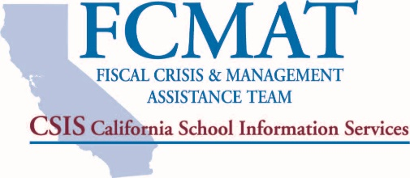
Fiscal Health Risk Analysis
for Charter Schools
The Fiscal Crisis and Management Assistance Team (FCMAT) has developed the Fiscal Health Risk Analysis (FHRA) as a tool to help evaluate a charter school's fiscal health and risk of insolvency in the current and two subsequent fiscal years. The FHRA includes 19 sections, each containing specific questions. In this Excel file, each question in every section must be answered with a "Yes," "No," or "N/A" for the scoring at the end to be accurate. Unanswered questions will be counted as "no" answers and thus will raise a charter school's risk score. Each section and specific question is included based on FCMAT’s work since its inception; they are the common indicators of risk or potential insolvency for charter schools that have neared insolvency .or have failed. Each section of this analysis is critical, and lack of attention to these critical areas will eventually lead to a charter school’s failure. The analysis focuses on essential functions and processes to determine the level of risk at the time of assessment. The greater the number of “no” answers to the questions in the analysis, the greater the potential risk of insolvency or fiscal issues for the charter. Not all sections in the analysis and not all questions within each section carry equal weight; some areas carry higher risk and thus count more heavily toward or against a charter’s fiscal stability percentage. For this tool, a score of 40% or more is considered high risk; a score of 25%-39% is considered moderate risk; and a score of 24% or lower is considered low risk. Identifying issues early is the key to maintaining fiscal health. Diligent planning will enable a charter school to better understand its financial objectives and strategies to sustain a high level of fiscal efficiency and overall solvency. A charter school should consider completing the FHRA annually to assess its own fiscal health risk and progress over time.
 | Score
(Enter Charter School Name Here) | 100.0%

Score Breakdown by Section:
1. Annual Independent Audit Report | -
2. Budget Development and Adoption | -
3. Budget Monitoring and Updates | -
4. Cash Management | -
5. Collective Bargaining and Unrepresented Employee Agreements or Compensation Agreements | -
6. Contributions and Transfers | -
7. Deficit Spending (Unrestricted General Fund) | -
8. Employee Benefits | -
9. Enrollment and Attendance | -
10. Facilities | -
11. Fund Balance/Net Position and Reserve for Economic Uncertainty | -
12. General Fund - Current Year | -
13. Information Systems and Data Management | -
14. Internal Controls and Fraud Prevention | -
15. Leadership and Stability | -
16. Multiyear Projections | -
17. Debt and Risk Management | -
18. Position Control | -
19. Special Education | -
Score | 100.0%

