Instructions and Summary
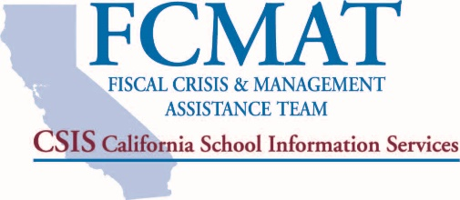
Fiscal Health Risk Analysis
for Community Colleges
The Fiscal Crisis and Management Assistance Team (FCMAT) has developed the Fiscal Health Risk Analysis (FHRA) as a tool to help evaluate a community college’s fiscal health and risk of insolvency in the current and two subsequent fiscal years. The FHRA includes 18 sections, each containing specific questions. In this Excel file, every question in every section must be answered with a "Yes," "No," or "N/A" for the scoring at the end to be accurate. Unanswered questions will be counted as "no" answers and thus will raise a district's risk score. Each section and specific question is included based on FCMAT’s work since its inception; they are the common indicators of risk or potential insolvency for districts that have neared insolvency and needed assistance from outside agencies. Each section of this analysis is critical to an organization, and lack of attention to these critical areas will eventually lead to a district’s failure. The greater the number of “no” answers to the questions in the analysis, the higher the score, which points to a greater potential risk of insolvency or fiscal issues for the district. Not all sections in the analysis, and not all questions within each section, carry equal weight; some are deemed more important and thus count more heavily toward or against a district’s fiscal stability percentage. For this tool, 100% is the highest total risk that can be scored, thus a low total percentage score is desirable. A “yes” or “n/a” answer is assigned score of 0, so the risk percentage increases only with a “no” answer or with an unanswered question. A score of 40% or more is considered high risk; a score of 25%-39% is considered moderate risk; and a score of 24% or lower is considered low risk. Identifying issues early is the key to maintaining fiscal health. Diligent planning will enable a district to better understand its financial objectives and strategies to sustain a high level of fiscal efficiency and overall solvency. A district should c
District | Score
(Enter district name on the Tool tab) | 100.0%

Score Breakdown by Section:
Note: Categorical values will calculate after all questions are answered with a "Yes", "No" or "N/A" on the Tool tab. Because the score is not calculated by category, category values provided are subject to minor rounding errors and are provided for informational purposes only.
Annual Independent Audit Report | -
Budget Development and Adoption | -
Budget Monitoring and Updates | -
Cash Management | -
Collective Bargaining Agreements | -
Intrafund and Interfund Transfers | -
Deficit Spending | -
Employee Benefits | -
Enrollment and Attendance | -
Facilities | -
Fund Balance and Reserve for Economic Uncertainty | -
General Fund - Current Year | -
Information Systems and Data Management | -
Internal Controls and Fraud Prevention | -
Leadership and Stability | -
Multiyear Projections | -
Non-Voter-Approved Debt and Risk Management | -
Position Control | -

